Main Question
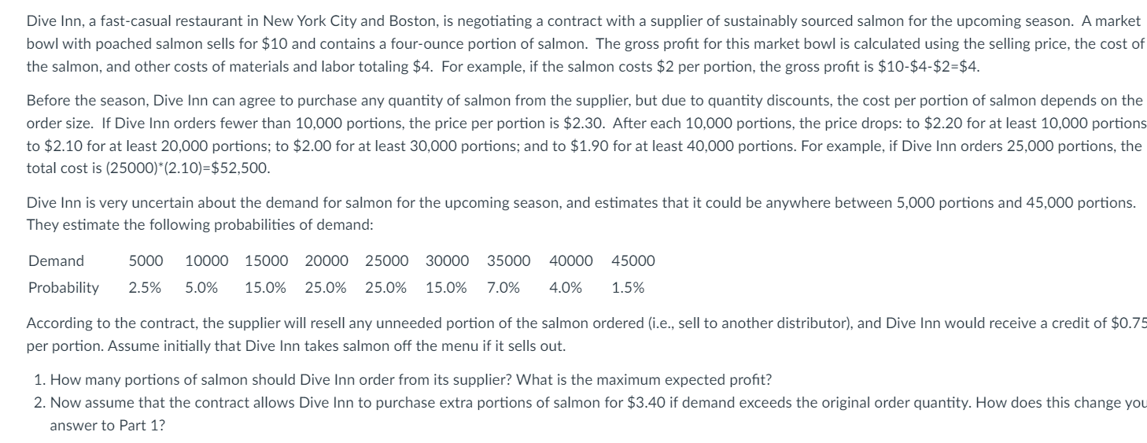

Question 1
Inputs | Variable Names | Value | Order Quantity | Price
Order Quantity | order_qty | 20,000 | 0 | $2.30
Unit Purchase Price | unit_purchase_price | $2.10 | 10,000 | $2.20
Other Unit Costs | other_unit_costs | $4.00 | 20,000 | $2.10
Unit Salvage Value | unit_salv_value | $0.75 | 30,000 | $2.00
Selling Price | selling_price | $10.00 | 40,000 | $1.90

Based on the Order Quantity Profit Analysis, Dive Inn should order 30,000 portions of salmon for maximum profit
Analysis | Variable Names | Value
Quantity Sold | qty_sold | 18,375 | Order Quantity Profit Analysis |  | QUESTION 1:
Quantity Salvaged | qty_salv | 1,625 | Profit | $69,468.75
Sales Revenue | sales_rev | $183,750.00 | 5,000 | $18,500.00
Salvage Revenue | salv_rev | $1,218.75 | 10,000 | $37,343.75
Revenues | revenues | $184,968.75 | 15,000 | $54,375.00
Costs | costs | $115,500.00 | 20,000 | $69,468.75
Profit | profit | $69,468.75 | 25,000 | $76,500.00
 |  |  | 30,000 | $79,968.75
 |  |  | 35,000 | $77,000.00
Demand | Probability | Quantity Sold | 40,000 | $76,193.75
5,000 | 2.50% | 5,000 | 45,000 | $70,837.50
10,000 | 5.00% | 10,000 | 50,000 | $65,087.50
15,000 | 15.00% | 15,000 | 55,000 | $59,337.50
20,000 | 25.00% | 20,000
Order Quantity Profit Analysis
25,000 | 25.00% | 20,000
30,000 | 15.00% | 20,000
35,000 | 7.00% | 20,000
40,000 | 4.00% | 20,000
45,000 | 1.50% | 20,000

Question 2
Inputs | Variable Names | Value |  |  | Order Quantity | Price
Order Quantity | order_qty | 20,000 |  |  | 0 | $2.30
Unit Purchase Price | unit_purchase_price | $2.10 |  |  | 10,000 | $2.20
Other Unit Costs | other_unit_costs | $4.00 |  |  | 20,000 | $2.10
Unit Salvage Value | unit_salv_value | $0.75 |  |  | 30,000 | $2.00
Selling Price | selling_price | $10.00 |  |  | 40,000 | $1.90
Cost Per Extra Portion | cost_per_extra_portion | $3.40

Based on the Order Quantity Profit Analysis, Dive Inn should order 25,000 portions of salmon if they have the opporutnity to buy extra portions if demand is greater than the order quantity for maximum profit
Analysis | Variable Names | Value |  |  | Order Quantity Profit Analysis |  | QUESTION 2:
Quantity Sold | qty_sold | 18,375 |  |  | Profit | $82,403.75
Quantity Salvaged | qty_salv | 1,625 |  |  | 5,000 | $66,210.00
Quantity Extra Ordered | quantity_extra_ordered | 4975 |  |  | 10,000 | $72,378.75
Quantity Extra Ordered Revenue | quantity_extra_rev | $49,750.00 |  |  | 15,000 | $77,385.00
Quantity Extra Ordered Costs | quantity_extra_cost | $36,815.00 |  |  | 20,000 | $82,403.75
Sales Revenue | sales_rev | $233,500.00 |  |  | 25,000 | $82,610.00
Salvage Revenue | salv_rev | $1,218.75 |  |  | 30,000 | $82,503.75
Revenues | revenues | $234,718.75 |  |  | 35,000 | $77,910.00
Costs | costs | $152,315.00 |  |  | 40,000 | $76,388.75
Profit | profit | $82,403.75 |  |  | 45,000 | $70,837.50
 |  |  |  |  | 50,000 | $65,087.50
Demand | Probability | Quantity Sold | Quantity Extra Ordered | Quantity Salvaged | 55,000 | $59,337.50
5,000 | 2.50% | 5,000 | 0 | 15,000
10,000 | 5.00% | 10,000 | 0 | 10,000
Order Quantity Profit Analysis
15,000 | 15.00% | 15,000 | 0 | 5,000
20,000 | 25.00% | 20,000 | 0 | 0
25,000 | 25.00% | 20,000 | -5,000 | 0
30,000 | 15.00% | 20,000 | -10,000 | 0
35,000 | 7.00% | 20,000 | -15,000 | 0
40,000 | 4.00% | 20,000 | -20,000 | 0
45,000 | 1.50% | 20,000 | -25,000 | 0

